Sheet1
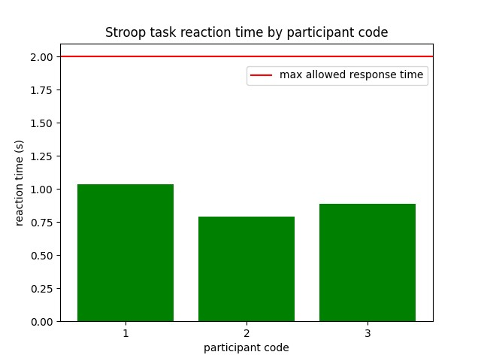
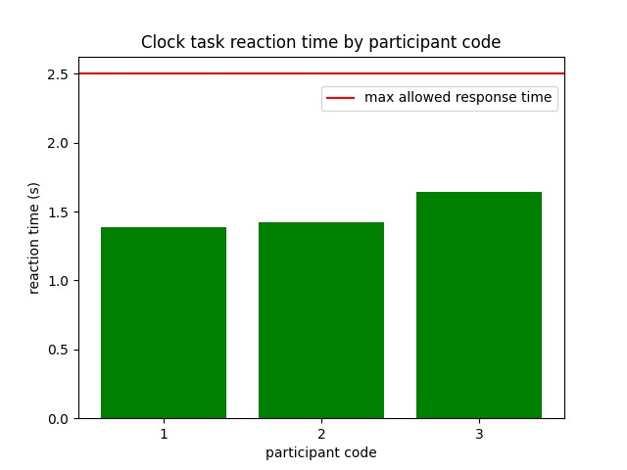
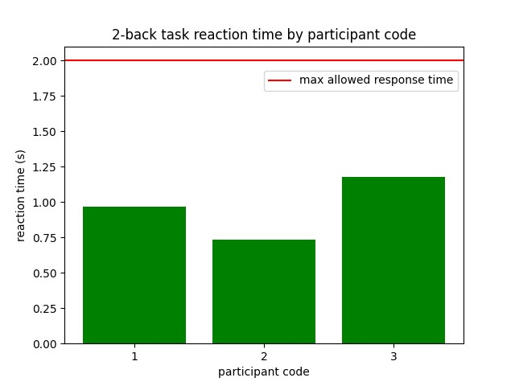
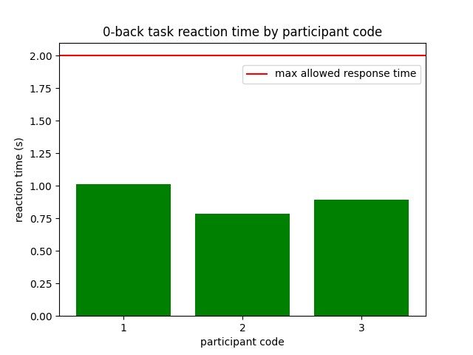
 | Stroop | Clock | n-back (2-back) | n-back (0-back) | decision making
performance (avg) | 0.94753 | 0.825 | 0.69166666667 | 0.71666666667
reaction time (avg) | 0.90433320133 | 1.4835397412 | 0.9609934957 | 0.89863720719 | 1.2156666667

Stroop (correct/incorrect/misses) |  |  |  |  |  |  | Clock (correct/incorrect/misses) |  |  |  | 2-back (correct/incorrect/misses) |  |  |  |  | 0-back (correct/incorrect/misses)
 | correct | incorrect | misses |  |  |  | correct | incorrect | misses |  | correct | incorrect | misses |  |  | correct | incorrect | misses
1 | 105 | 3 | 0 |  |  | 1 | 66 | 11 | 3 | 1 | 52 | 25 | 3 | 0.65 | 1 | 61 | 16 | 3 | 0.7625
2 | 101 | 5 | 2 |  |  | 2 | 70 | 10 | 0 | 2 | 54 | 26 | 0 | 0.675 | 2 | 62 | 18 | 0 | 0.775
3 | 101 | 5 | 2 |  |  | 3 | 62 | 6 | 12 | 3 | 60 | 20 | 0 | 0.75 | 3 | 49 | 29 | 2 | 0.6125
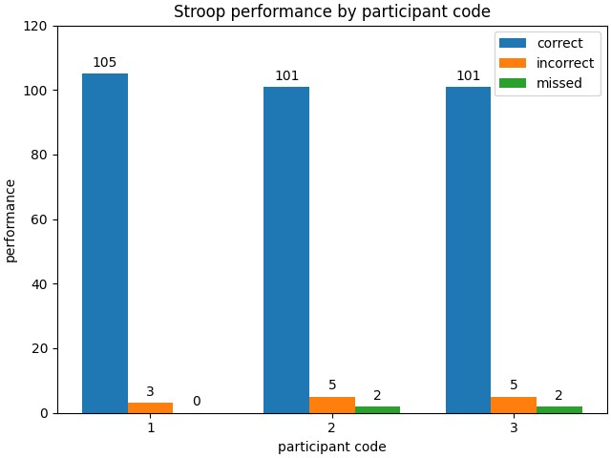
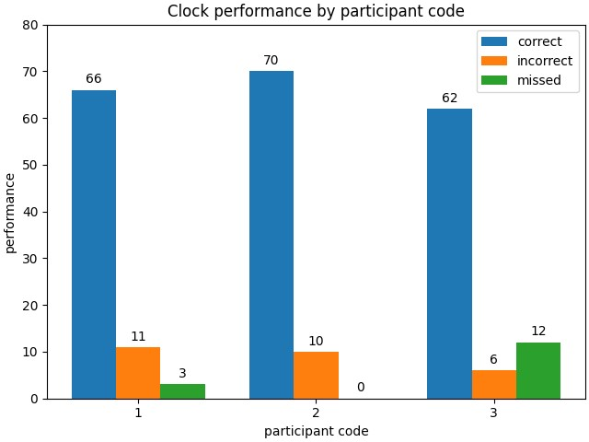
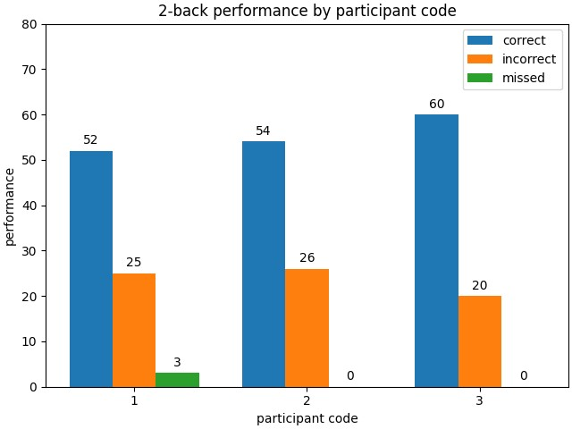
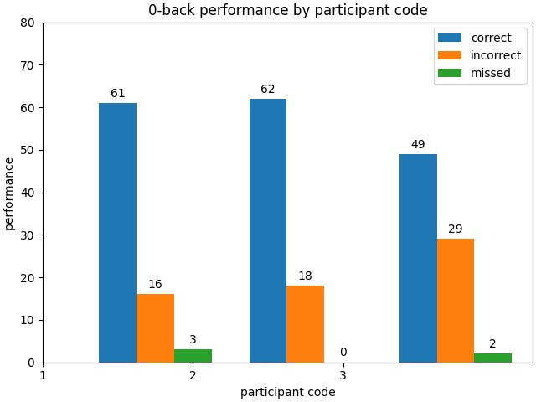

Note: average rt based only on trials where participants have given responses
Stroop average rt per person |  |  |  |  |  |  | Clock average rt per person |  |  |  | 2-back average rt per person |  |  |  |  |  | 0-back average rt per person
1 | 1.0377721907 | 2 |  |  |  |  | 1 | 1.3874218156 |  |  | 1 | 0.96917168836 |  |  |  |  | 1 | 1.0147901819
2 | 0.79001045194 | 2 |  |  |  |  | 2 | 1.42293723 |  |  | 2 | 0.73382958249 |  |  |  |  | 2 | 0.7824842325
3 | 0.88521696132 | 2 |  |  |  |  | 3 | 1.6402601779 |  |  | 3 | 1.1799792163 |  |  |  |  | 3

